Detailed Investigation Result
Detailed Investigation Result

Modify Program XXOMS0607 Import ASN Serial Information for eSSD

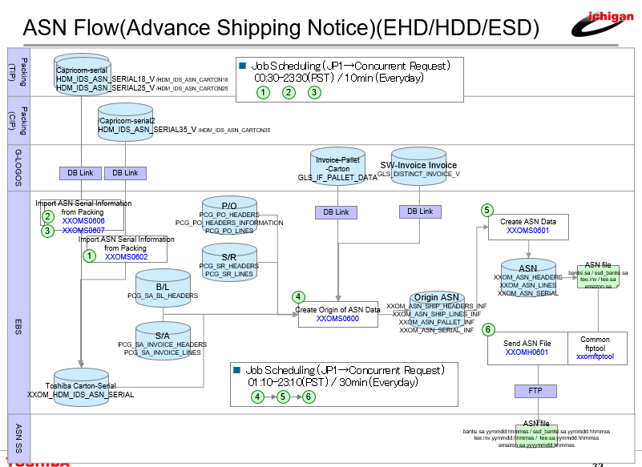
Packing system add
HDM_IDS_ASN_SERIAL18_V.OPE_CODE column
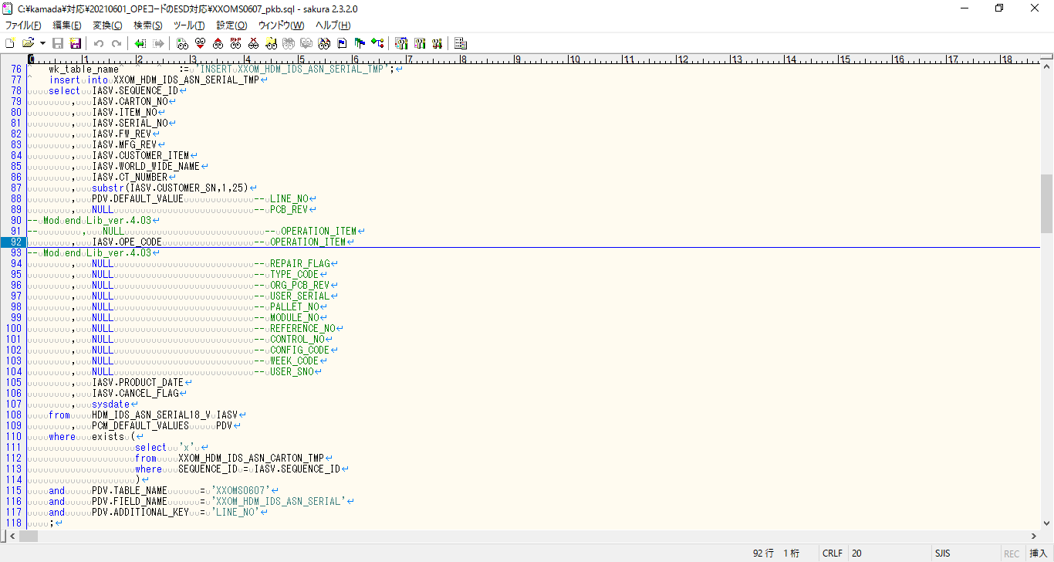

change connect column
from null
to HDM_IDS_ASN_SERIAL18_V.OPE_CODE

Add PCM_DEFAULT_VALUES parameter for eSSD

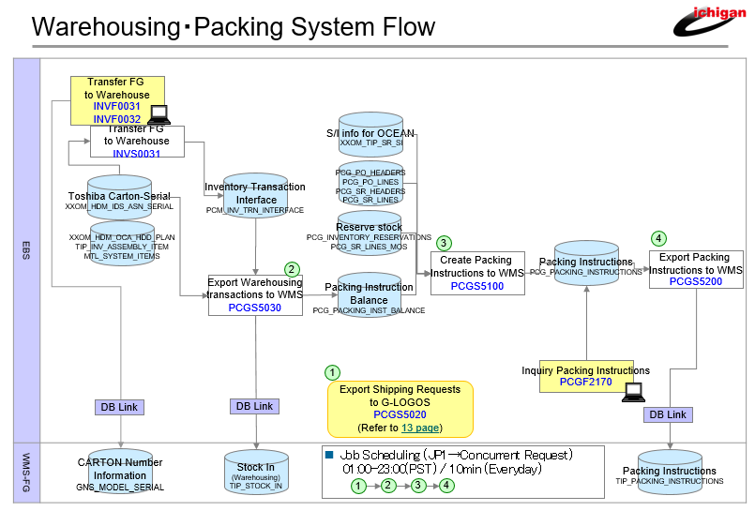
 | PCM_DEFAULT_VALUES

 | ORGANIZATION_ID | TABLE_NAME | FIELD_NAME | ADDITIONAL_KEY | DEFAULT_VALUE | OWNER | DESCRIPTION | CREATED_BY | CREATION_DATE | LAST_UPDATED_BY | LAST_UPDATE_DATE
 | 102 | INVF0031 | OPE_CODE_ORG | 1 | EHD | XXOM | for INVF0031/INVF0032 | -1 | 2015-03-31 | -1 | 2015-03-31 | for EHD
 | 132 | PCGS5030 | ORGANIZATION_CODE | GET_OPE_CODE | EHD | XXOM | for PCGS5030 | -1 | 2015-03-31 | -1 | 2015-03-31 | for EHD
 | 132 | PCGS5100 | ORGANIZATION_CODE | GET_OPE_CODE | EHD | XXOM | for PCGS5100 | -1 | 2015-03-31 | -1 | 2015-03-31 | for EHD
 | 102 | INVF0031 | OPE_CODE_ORG | 2 | ESD | XXOM | for INVF0031/INVF0032 | -1 | 2021-08-10 | -1 | 2021-08-10 | for ESD
 | 125 | PCGS5030 | ORGANIZATION_CODE | GET_OPE_CODE | ESD | XXOM | for PCGS5030 | -1 | 2021-08-10 | -1 | 2021-08-10 | for ESD
 | 125 | PCGS5100 | ORGANIZATION_CODE | GET_OPE_CODE | ESD | XXOM | for PCGS5100 | -1 | 2021-08-10 | -1 | 2021-08-10 | for ESD

Actual Operation Evidence
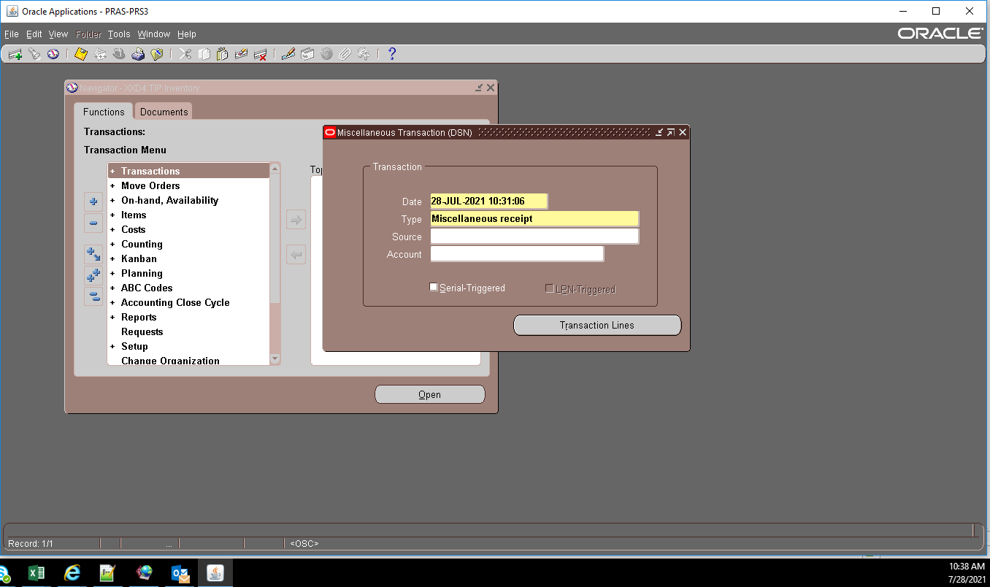
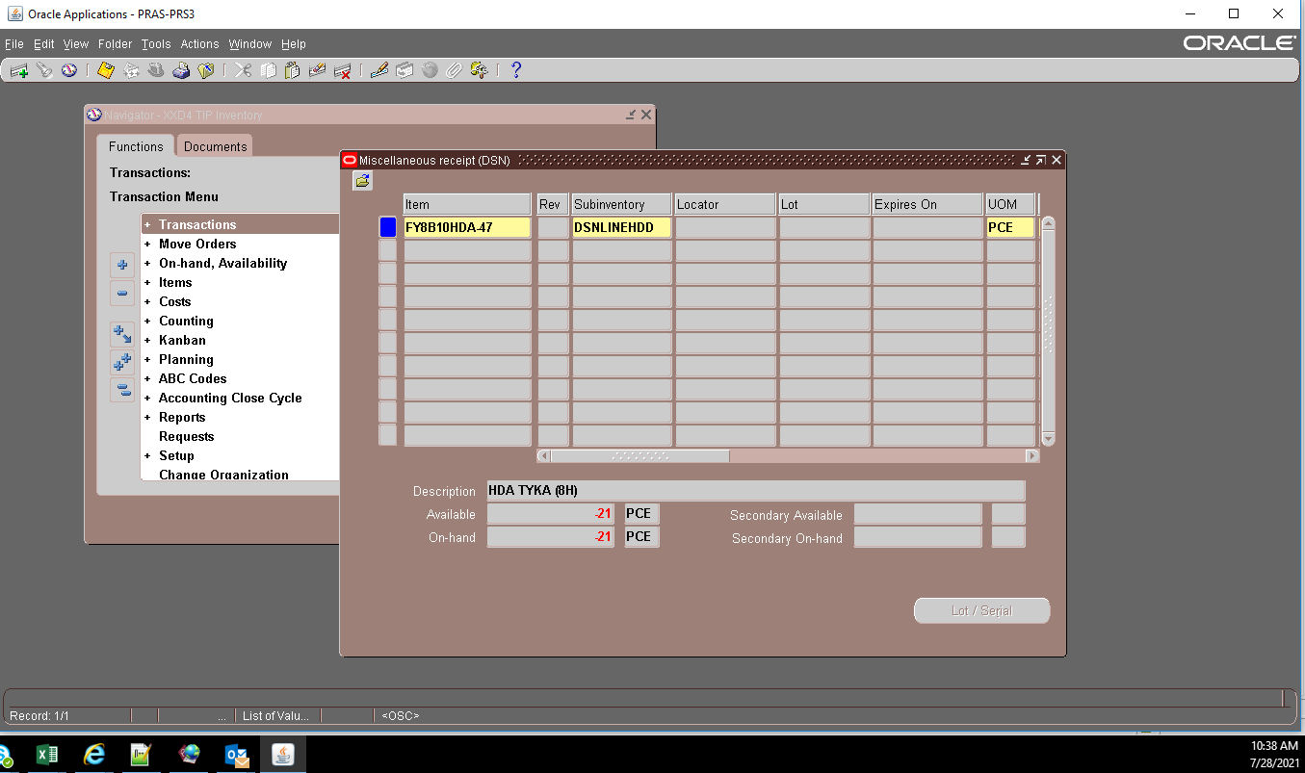
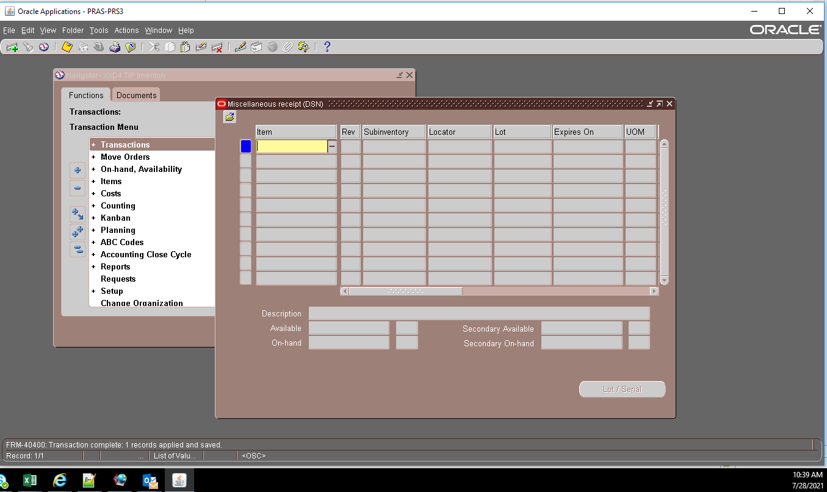
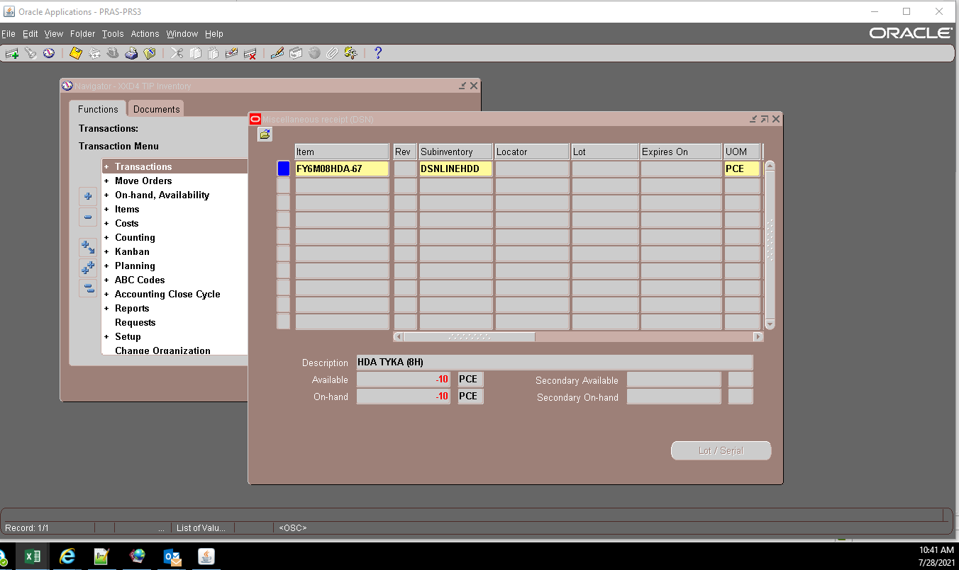
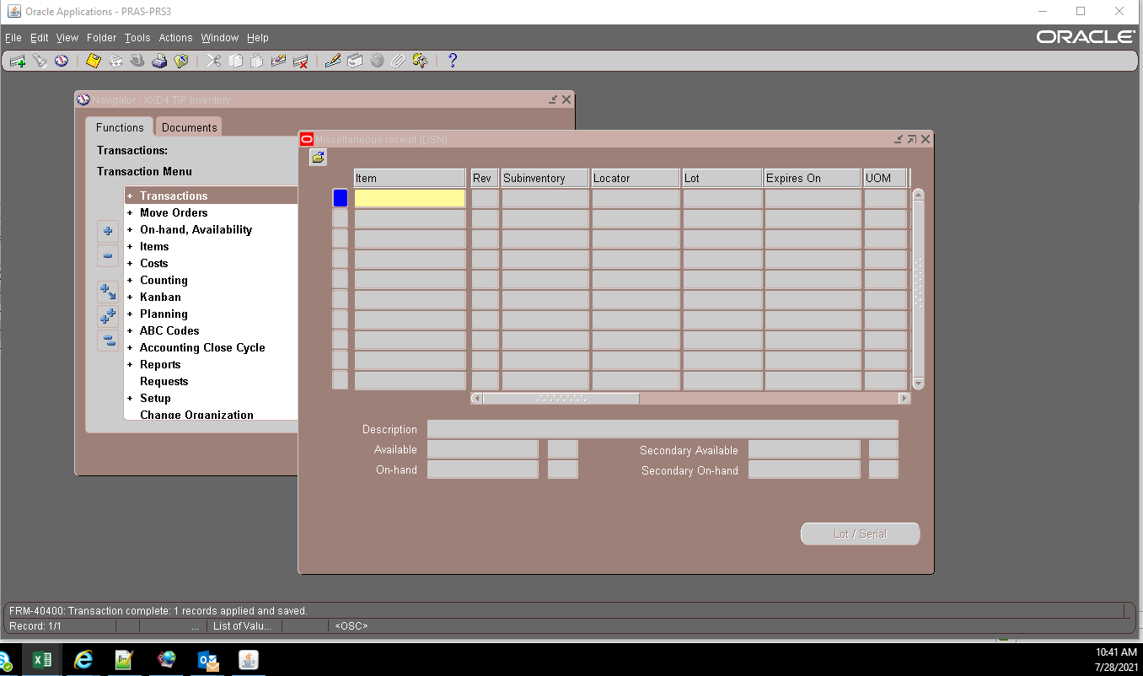


Actual Operation Evidence

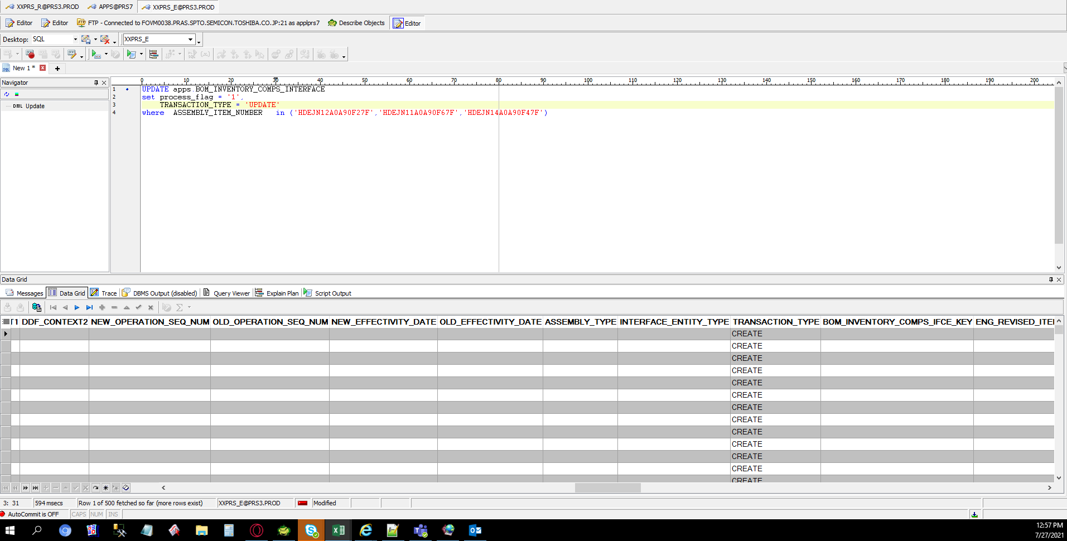

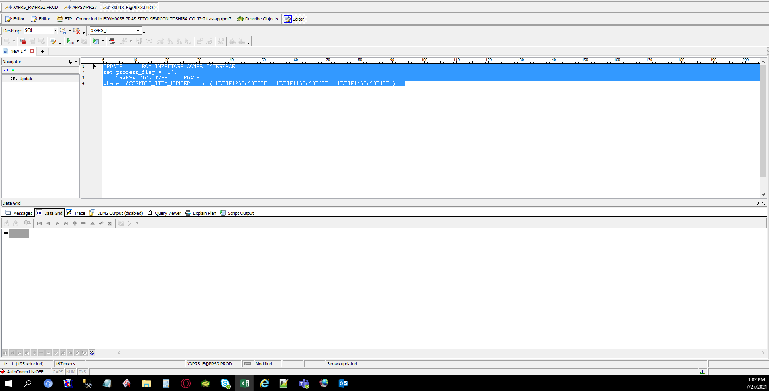

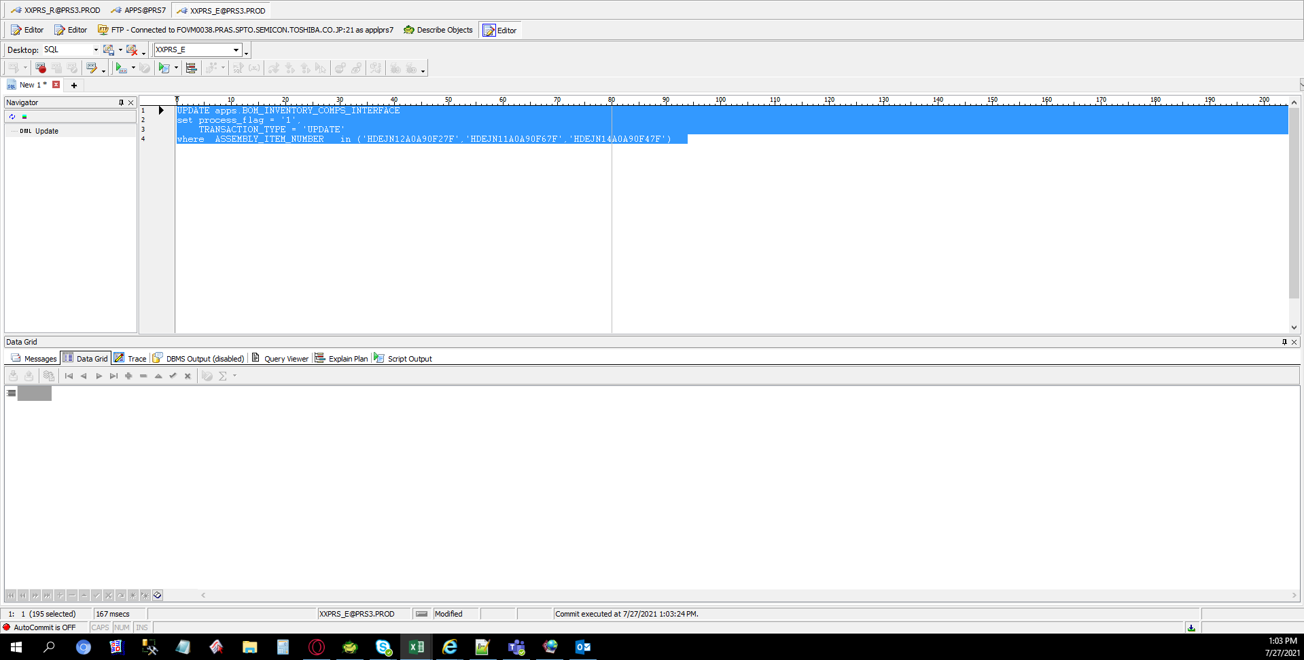

 | EXECUTE BILL IMPORT PROGRAM

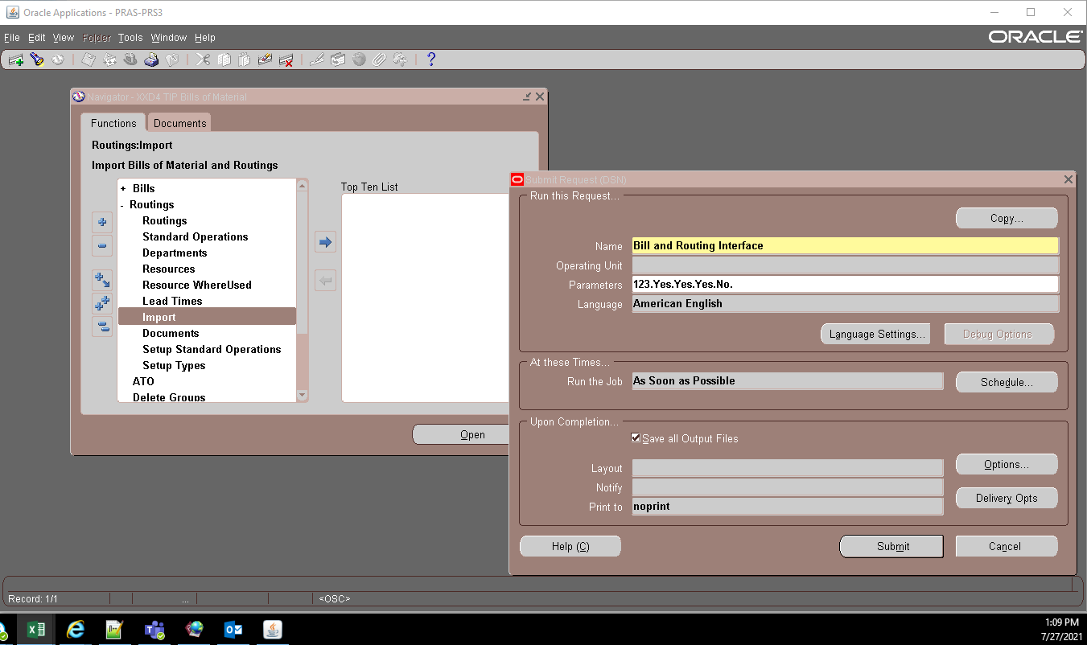

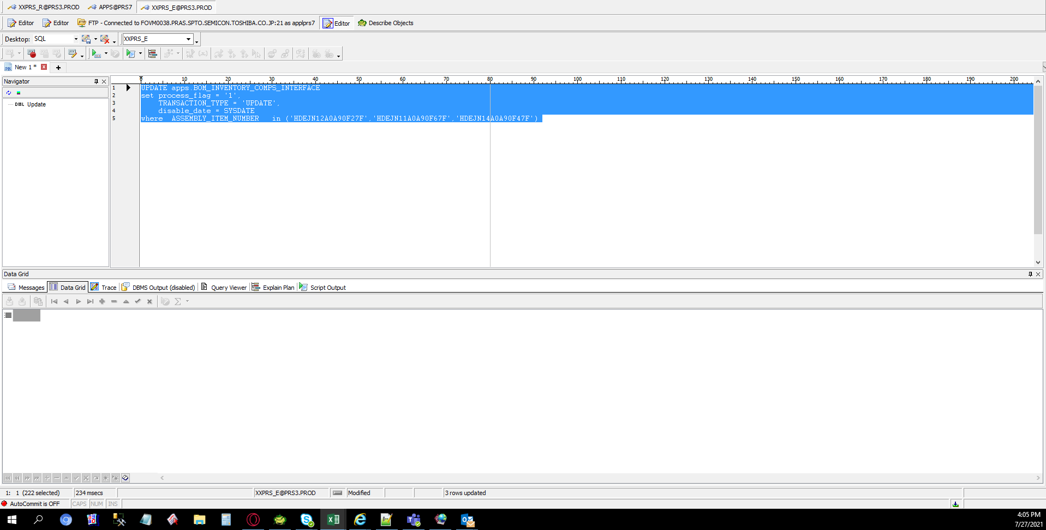



 |  | Then misc transactions on the application side to offset the variance

